Story
Pilot
100-500 Farmers, 1 Crop, Up to 4 Months

Professional Agents |  | Hotline - inbound
 |  | A voice agent, in Kinyarwanda, available on a hotline for farmers at all times, a phone call away.
Nuru - Weather Guide | Helping farmers understand the upcoming weather in their location, weather risks, timing, and what action they should take. | When a farmer calls, he is able to choose between 3 services:
Chris - Crop Coach | Helping farmers with crop guidelines and real-time field related decision making. | 1. Weather advisory | Weather information based on farmers' locations. Provides practical information according to the season.
Nia - General Support Guide | Here to help farmers get general information about OAF, solve issues and stay on track. | 2. Agro Technic Advisory | Questions and professional information regarding agricultural practices.
 |  | 3. More about OAF services | The agent can provide information about OAF services and record farmers' interest for CE follow-up.
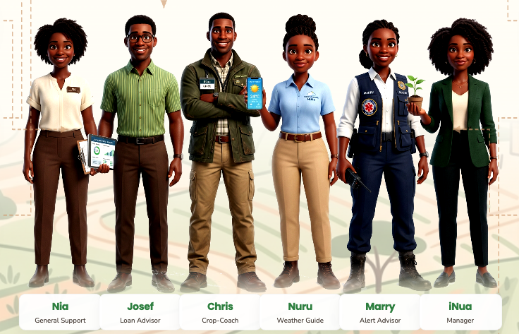

 |  | Proactive conversations - outbound
 |  | One Acre Fund voice agent calls farmers to deliver and collect information
 |  | 1. Weather alert | Alerts based on farmers' locations, the season, and predefined trigger use cases, with relevant practical information. | Heavy rain in the seeding season -> "Delay planting until the storm passes and the soil drains. Use the remaining dry time to ensure that all field drainage systems, ditches, and furrows are clear of debris. The priority is giving the incoming water a fast, clear path off the field. Is that understandable? Do you need more information?"
 |  | 2. Seasonal advisory | Seasonal information delivered by phone call, with Q&A capabilities for relevant follow-up questions.
 |  | 3. Questionnaire for the farmers | Asking about their experience with OAF services, its impact, issues they encountered and suggustions for improvement

Scale

Professional Agent |  | Hotline - inbound
 |  | A voice agent, in Kinyarwanda, available on a hotline for farmers at all times, a phone call away.
Nuru - Climate Resilience | Helping farmers understand the upcoming weather in their location, weather risks, timing, and what action they should take. | When a farmer calls, he is able to choose between 3 services:
Chris - Agronomist | Helping farmers with crop guidelines and real-time field related decision making. | 1. Weather advisory | Weather information based on farmers' locations. Provides practical information according to the season
Nia - Relationship manager | Maintains an ongoing voice relationship with each farmer, assesses needs, collects feedback, recommends relevant OAF products or services based on their history, and improves farmer satisfaction and program operations. | 2. Agro Technic Advisory | - Questions and professional information regarding agricultural practices. - Pest & Disease Management - based on farmers' descriptions - Disease Escalation Workflow - escalated to agronomists/CE + followup - Voice-Based Disease Troubleshooting - based on agent's interrogation
Marry - Emergency Alert Advisor, EMS | Helps farmers receive timely alerts and know what to do during emergencies. | 3. Loan and repayment management and advisory | Farmers can call to ask questions about repayment schedules, financial planning, loan-related concerns, savings, investment decisions, and basic farm business management.
Josef - Loan & Repayment Advisor | Helps farmers understand loans, repayment schedules, reminders, balances, and basic financial planning. | 4. EAS - emergency alarming system | Farmers can report urgent issues such as pest outbreaks, crop disease, failed inputs, weather damage, repayment distress, or other field-level emergencies.
 |  | 5. More about OAF services | The agent can provide information about OAF services and record farmers' interest for CE follow-up.

 |  | Proactive conversations - outbund
 |  | One Acre Fund voice agent calls farmers to deliver and collect information
 |  | 1. EAS - emergency alarming system | Urgent outbound calls for high-priority alerts such as pest outbreaks, disease risks, extreme weather, market disruptions, input issues, or other emergency information.
 |  | 2. Professional training information | Seasonal information delivered by phone call, with Q&A capabilities for relevant follow-up questions.
 |  | 3. Loan and repayment management and advisory | Financial education, repayment reminders, loan management guidance, and practical tips on planning farm income, expenses, savings, and repayment.
 |  | 4. Questionnaire for the farmers | Asking farmers about their experience with OAF services, its impact, issues they encountered, and suggestions for improvement.

Pilot
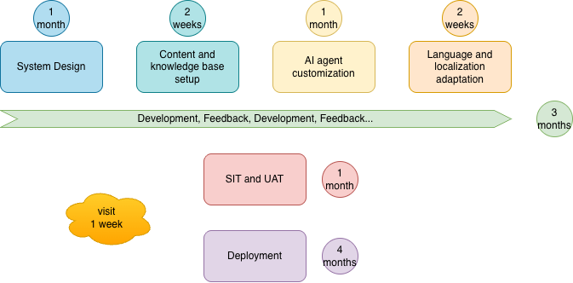
Pilot

Basics
Farmers | up to 500
Crops | 1
Languages | Kinyarwanda
Minutes of conversations | Unlimited
Time | 4 months

Costs
What |  | costs
⁠System design | Exploring OAF farmers' needs, CE workflows, and usage use case. Accordingly, designing a customized management dashboard. Identifying product requirements for optimal fit. An iterative process of adjustments. | $12,453
⁠Content and knowledge base setup | Collecting and arranging professional data for the agents: agronomic best practices, cases and responses, Q&A samples, etc. | $5,956
R&D & ⁠AI agent customization | Product development, server infrastructure, usage, SIP support, and voice agent | $22,619
⁠Language and localization adaptation | Adjusting agents to OAF's language preferences: greetings, tone, and local expressions. | $2,707
SIT and UAT | System Integration Testing by the iNua team Once these technical tests are deemed 100% successful, the tool is handed over to the OAF team. Back-and-forth communication cycle, where the OAF team provides specific feedback on the tool. | $8,663
Deployment | Onboarding OAF team and farmers, weekly follow-ups, and ongoing feedback and improvements | $9,746
Visit | iNua's on-the-ground leadership mission, engaging directly with OAF users, local farmers, and end users. Joint sessions to align on core needs, workflows, and strategic objectives. | $5,000
Sum |  | $67,144

Features

Hotline - inbound
A voice agent, in Kinyarwanda, available on a hotline for farmers at all times, a phone call away.
When a farmer calls, he is able to choose between 3 services:
1. Weather advisory | Weather information based on farmers' locations. Provides practical information according to the season
2. Agrotechnic advisory | Questions and professional information regarding agricultural practices
3. More about OAF services | The agent can provide information about OAF services and record farmers' interest for CE follow-up.

Proactive conversations - outbound
One Acre Fund voice agent calls farmers to deliver and collect information
1. Weather alert | Alerts based on farmers' locations, the season, and predefined trigger use cases, with relevant practical information.
2. Seasonal based Advisory | Related to the season, received on a phone call + Q&A capabilities regarding relevant information
3. Questionnaire for the farmers | Asking farmers about their experience with OAF services, its impact, issues they encountered, and suggestions for improvement.

Timeline

